How To Play
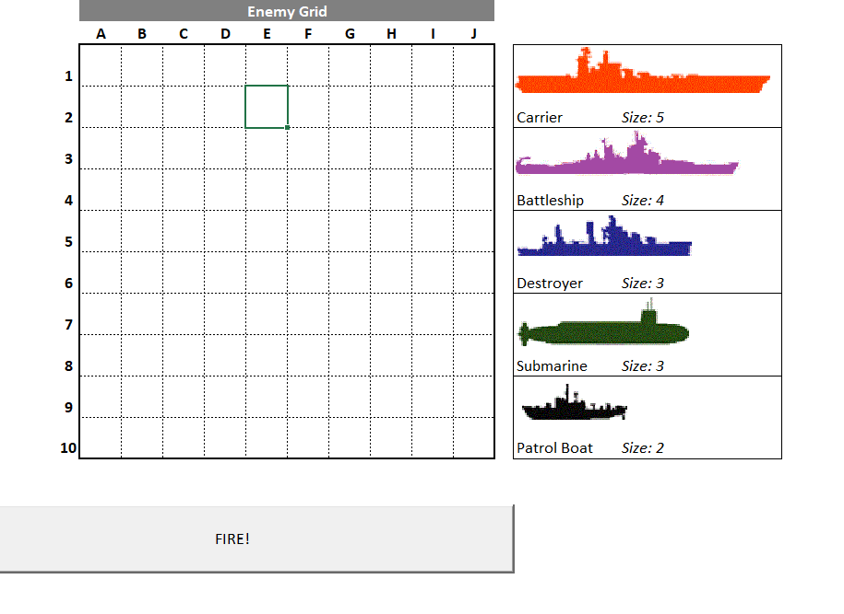
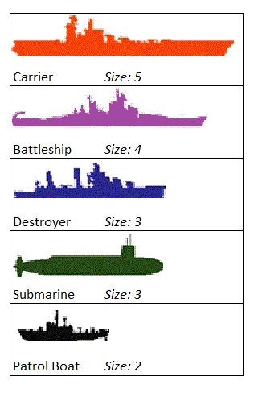
Start the game by entering in the ships onto your own Grid, located in the "Player1" Tab.
Each ship has certain sizes as shown in the table on the right.
Place "C" in a straight line for Carrier, "B" for Battleship, "D" for destroyer, "S" for Submarine and "PB" for Patrol Boat. It's not case sensitive either.
Select a cell in the Enemy Grid and click Fire!
Misses will show as white squares with a cross and a hit will show as a red square with a cross.

